Sheet1
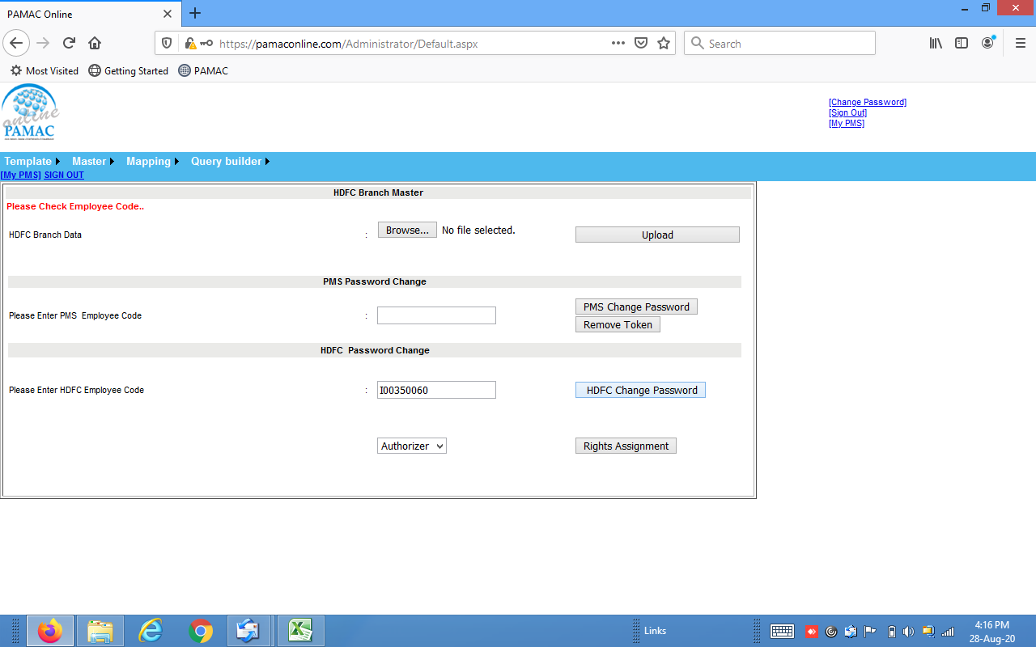
No. | & Location - Area | Name | Code | Code | ( inputer / Authoriser ) | address | no
1 | MUMBAI | FORT | 0060 | I0035 | Authorizer | ivan.menezes@IN.HDFCBANK.COM | 9769005016

